S&P fin ratios
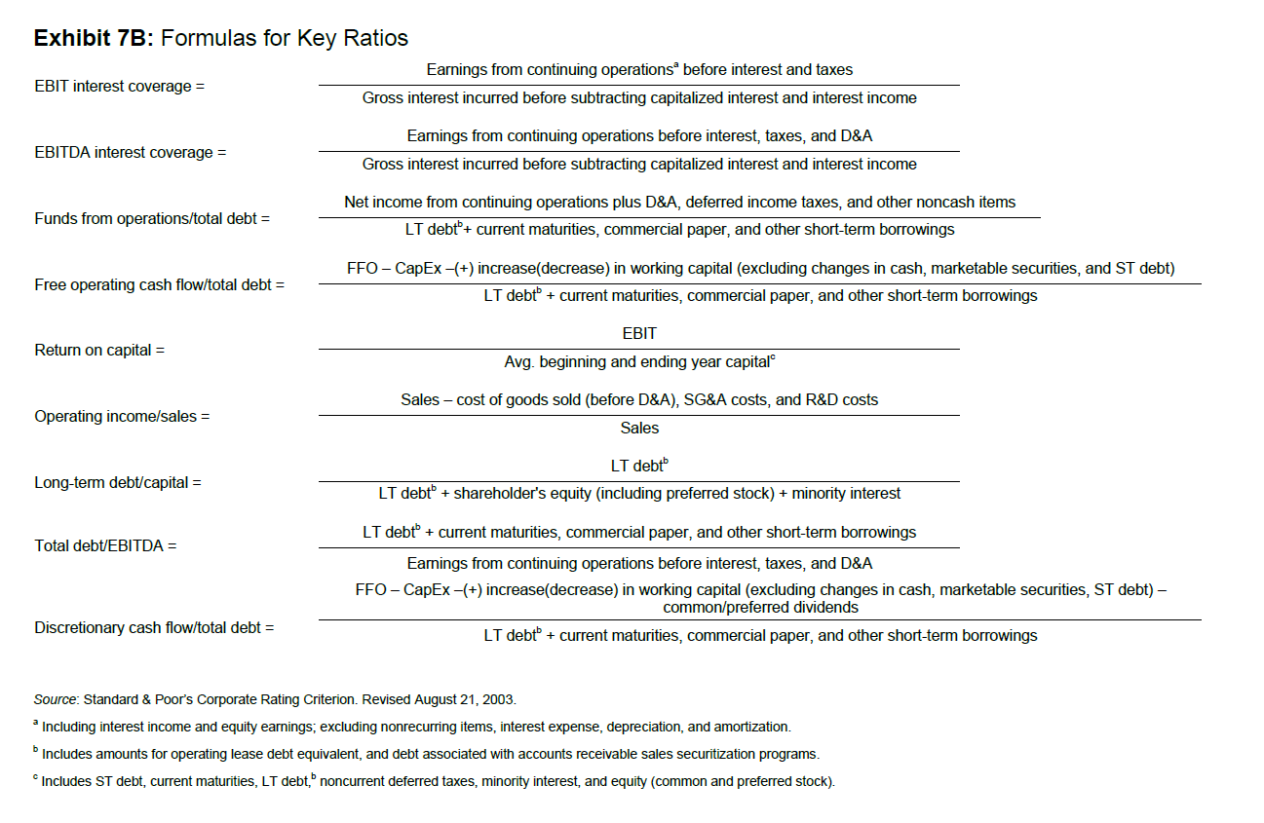
 | Exhibit 7A: Standard and Poor’s Three-Year Median Key Industrial Financial Ratios, 2000–2002

 |  | AAA | AA | A | BBB | BB | B | CCC | 40% Debt-to-Capital | 80% Debt-to-Capital | 40% Debt-to-Capital | 80% Debt-to-Capital |  | Base case | No Leverage | Altman's z score | 40% Debt-to-Capital | 80% Debt-to-Capital
Higher | EBIT interest coverage (x) | 23.4 | 13.3 | 6.3 | 3.9 | 2.2 | 1.0 | 0.1 | 22.52 | 11.26 | AA | A | Working capital/Assets | 1.2 | 0.41875824383 | 0.50250989259
Higher | EBITDA interest coverage (x) | 25.3 | 16.9 | 8.5 | 5.4 | 3.2 | 1.7 | 0.7 | 25.48 | 12.74 | AAA | A | Retained earnings/Assets | 1.4 | 0.54254817501 | 0.75956744501
Higher | FFO/total debt (%) | 214.2 | 65.7 | 42.2 | 30.6 | 19.7 | 10.4 | 3.2 | 82.75% | 39.99% | AA | BBB | EBIT/Total assets | 3.3 | 0.22315457851 | 0.7364101091
Higher | Free operating cash flow/total debt (%) | 156.6 | 33.6 | 22.3 | 12.8 | 7.3 | 1.5 | (2.8) | 48.47% | 24.23% | AA | A | Market capitalization/Liabilities | 0.6 | 12.564127554 | 7.5384765323
Higher | Return on capital (%) | 35.0 | 26.6 | 18.1 | 13.1 | 11.5 | 8.0 | 1.2 | 42.39% | 42.39% | AAA | AAA | Sales/Assets | 1 | 1.5629825659 | 1.5629825659
 | Operating income/sales (%) | 23.4 | 24.0 | 18.1 | 15.5 | 15.4 | 14.7 | 8.8 | 16.17% | 16.17% | BBB | BBB |  |  |  | 11.10
 | Long-term debt/capital (%) | (1.1) | 21.1 | 33.8 | 40.3 | 53.6 | 72.6 | 78.3 | N/A | N/A | N/A | N/A
Lower | Total debt/capital (%) | 5.0 | 35.9 | 42.6 | 47.0 | 57.7 | 75.1 | 91.7 | 40.00% | 80.00% | A | B
 | Number of companies | 6.0 | 20.0 | 121.0 | 224.0 | 279.0 | 264.0 | 56.0
 | Average default rate, past 15 years | 0.52% | 1.31% | 2.32% | 6.64% | 19.52% | 35.76% | 54.38%

 | Source: Standard & Poor’s |  | 1.52 | 0.77 | 1.86 | 1.94
 | a Based on the bond’s original ratings.

